Overall
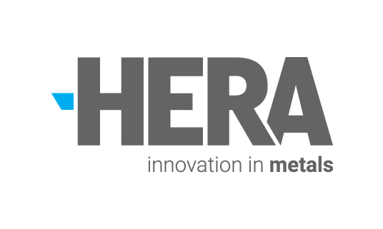

HERA Corporate Carbon Footprint
Financial year covered: FY19: 1 July 2018 - 30 June 2019
Excel version: V1.0 , 30/04/2020

HERA Corporate Carbon Footprint (kg CO2e)
HERA Corporate Carbon Footprint (kg CO2e) - Detailed
Scope 1 | 11,708
Scope 2 | 5,516
01 - Purchased goods & services | 53,452
03 - Fuel & energy related activities | 4,264
05 - Waste generated in operations | 13,179
06 - Business travel | 59,214
07 - Employee commuting | 24,223
13 - Downstream leased assets | 9,046
Scope / Category | kg CO2e | t CO2e | % of total
Scope 1 | 11,708 | 12 | 6.5%
Scope 2 | 5,516 | 6 | 3.1%
Scope 3 (total) | 163,379 | 163 | 90.5%
Total Scope 1, 2 & 3 | 180,603 | 181 | 100%
 |  |  |  | % Scope 3
01 - Purchased goods & services | 53,452 | 53 | 29.6% | 33%
02 - Capital goods | n/a | n/a | n/a | n/a
03 - Fuel & energy related activities | 4,264 | 4 | 2.4% | 3%
04 - Upstream transportation & distribution | n/a | n/a | n/a | n/a
05 - Waste generated in operations | 13,179 | 13 | 7.3% | 8%
06 - Business travel | 59,214 | 59 | 32.8% | 36%
07 - Employee commuting | 24,223 | 24 | 13.4% | 15%
08 - Upstream leased assets | n/a | n/a | n/a | n/a
09 - Downstream transportation & distribution | n/a | n/a | n/a | n/a
10 - Processing of sold products | n/a | n/a | n/a | n/a
11 - Use of sold products | n/a | n/a | n/a | n/a
12 - End-of-life treatment of sold products | n/a | n/a | n/a | n/a
13 - Downstream leased assets | 9,046 | 9 | 5.0% | 6%
14 - Franchises | n/a | n/a | n/a | n/a
15 - Investments | n/a | n/a | n/a | n/a

Helpful documents
GHG protocol standard | https://ghgprotocol.org/sites/default/files/standards/ghg-protocol-revised.pdf
GHG protocol Scope 3 standard | https://ghgprotocol.org/standards/scope-3-standard
Further Guidance | https://ghgprotocol.org/

