Dashboard
Responsible Products SELF ASSESSMENT Checklist |  |  |  |  | © 2025 NZ Sustainable Steel Council
Version 20251006
Please note - This is a self assessment to use in preparing your audit submission - it is NOT the audit - ensure you read and understand the relevant credit criteria in the Audit Guide

 |  |  | Responsible Product Certification
 | Governance |  | Level 1 | Level 2b (No EPD) | Level 2a (EPD) | Level 3
 | 1.1 | Business Integrity
 | 1.2a | Management Systems: Governance
 | 1.2b | Management Systems: Safety Management
 | 1.3 | Stakeholder Engagement
 | Responsible
 | 2.1 | Environmental Management System
 | 2.2 | Environmental Product Declaration (EPD)
 | 2.3 | Health Impacts Declaration
 | Healthy
 | 3.1 | Paints and Coatings
 | 3.2 | Manufacturing OH&S Management
 | 3.3 | Procurement OH&S Assessment
 | 3.4 | Modern Slavery
 | Positive
 | 4.1 | Steel Supply Sourcing
 | 4.2 | Carbon Emissions Reduction (Mfg)
 | Circular
 | 5.1 | Resource Management

 |  |  | Level 1 | Level 2b | Level 2a | Level 3
 |  | Indictive audit outcome based on self assessment
 |  | RPV | - | - | - | -

 | Worksheet Example 1 Contracted
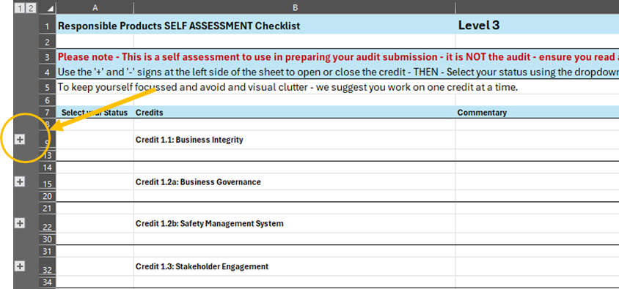

 | Worksheet Example 2 - Expanded
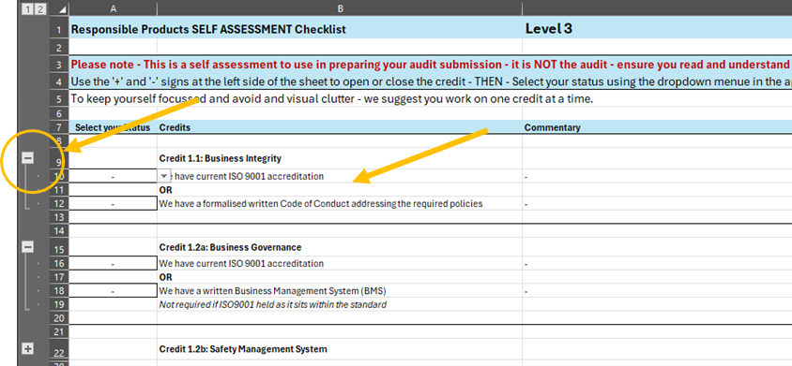

 | Worksheet Example 3 - Completed Credits Expanded
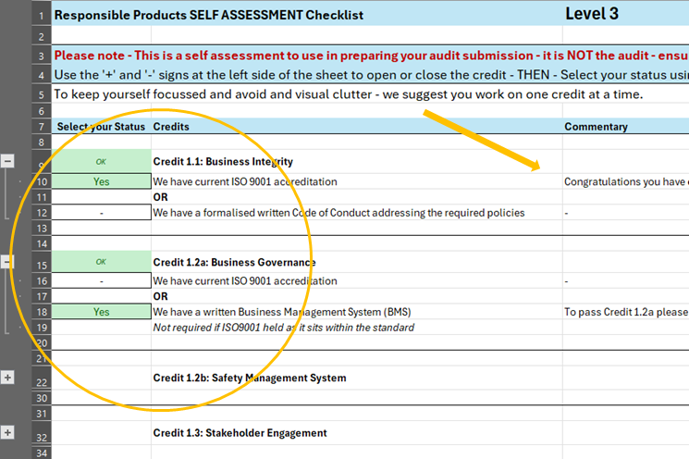

 | Worksheet Example 4 - Completed Credits Contracted
